Campaign Overview
Avets New Hospital Campaign Overview
Situation
Avets is a VECCS (Veterinary Emergency and Critical Care Society) Level 1 emergency and critical care hospital located in Monroeville, PA. Their brand new, state-of-the-art 19,000 sq. ft. veterinary facility is schedule to open in June 2021. The new building will enhance the client experience, bolster their services and technology and strengthen their position as the authority on high-level medicine. Construction is nearing completion and brings the opportunity to educate pet owners and veterinary professionals of the new location and generate awareness of the new hospital’s expanded services and offerings.
Assignment
Develop and execute an effective media campaign that: Reaches consumers/pet owners and referring veterinarians (rDVMs); focuses on geo-targeted coverage; contains calls to action that encourage website visits and e-Newsletter sign-ups; includes a unique website page for each audience with relevant content and calls to action.
Audience
Primary Target: Pet Owners - Primary pet owner target audience are females, age 25-54 since they are primarily responsible for the health and financial decisions associated with the household pet. Pet Owners responsible for their pet’s health and take this role seriously as their dog and/or cat is considered a family member. They place a high level of trust in their primary veterinarian and will seek help from a specialist if their vet suggests doing so. They are fearful of making difficult decisions regarding their pet’s health and lives with consideration to cost, necessity, quality of life, and longevity.” Secondary Target: rDVMs: Male/Female Age 30-64; General veterinary practitioners are 75% female and their clients trust them and their recommendation for a specialist. They will refer to specialists with whom they are familiar and trust. A good experience with a specialty practice and doctor is important as it reflects on their own judgment and care standards. They expect to be included in the treatment process as they feel ownership over their clients and patients. General practice veterinarians who refer patients to emergency and specialty care hospitals to receive further medical evaluation and attention.
Market
50+ mile radius around AVETS + referral zip codes
Objective & Strategy
Objective: Build top-of-mind brand awareness and brand sentiment. Strategy: Generate brand awareness and drive engagement through digital channels and targeting activations. - Utilize strategic placements and targeting techniques to reach Pet Owners and rDVMs; drive them to landing pages (Phase I) and new website (Phase II) as a call to action. - Deliver content and messaging that highlights the hospital’s services/differentiators and positions them as the go to general, emergency and/or specialty hospital in the area, in addition to pet expertise and trust for referrals. - Use new Website to educate Pet Owners and rDVMs about the hospital. Pet Owners: Build trust through client testimonials, helpful blog articles and featured doctors/services rDVMs: Build trust through doctor bios, service descriptions, case studies and instructions on how to easily refer patients via the referral portal
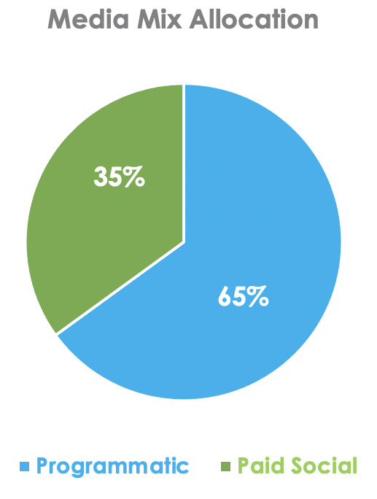
Plan Summary
Total Budget: $12,300
Drive impressions to qualified audience with site visit call to action Deliver reach with combination of channels (programmatic + paid social) Provide deeper messaging opportunity in high engagement paid social channel
Digital Display | Budget | Estimated Impressions
Programmatic | $3,000 | 547,500
Retargeting | $1,000
Media Management | $4,000
TOTAL | $8,000 | 547,500

Paid Social Media | Budget | Potential Audience Size | Estimated Reach
Paid Media Ads + Retargeting | $3,900 | 54,000 | 125,790 - 363,800
Paid Media Boosts | $400 | 11,000 - 43,000 | 7,470 - 21,592
TOTAL | $4,300 | 65,000 - 97,000 | 133,260 - 385,392

Paid Social Media
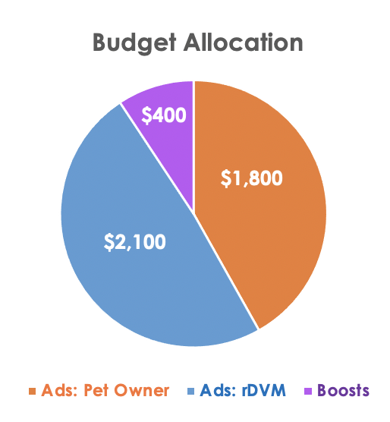
Paid Social Media Performance
Campaign Strategy
 |  |  |  |  | Ads - Pet Owner | Ads - rDVM | Boosts
 |  |  | Ad Budget |  | $1,800 | $2,100 | $400
 |  |  | Placement |  | Facebook (IG/Stories secondary) | Facebook (IG/Stories secondary) | Facebook (IG/Stories secondary)
 |  |  | Potential Audience Size |  | 43,000 | 11,000 | 43,000 - 11,000
 |  |  | Reach Estimates |  | 71,750 - 205,800 | 54,040 - 158,000 | 7,470 - 21,592
 |  |  | Ad Objective |  | Reach, Link Clicks | Reach, Link Clicks | Link Clicks, Video Views, Post Engagement
 |  |  | Measurement |  | Reach, Impressions, Link Clicks, CTR, Landing Page Views | Reach, Impressions, Link Clicks, CTR, Landing Page Views | Reach, Link Clicks, Post Engagement
Primary Objective: Drive impressions to qualified audience with site visit call to action. Deliver reach with combination of channels (programmatic + paid social). Provide deeper messaging opportunity in high engagement paid social channel. Targeting Strategy: Pet Owners: W, 25-65+, 50+ radius around Avets and referral zip codes, Pet owners based on age gender, interest and income. rDVMs: M/W, 30-64, 50+ radius around Avets and referral zipcodes, Referring veterinarians and veterinary professionals based on rDVM lookalike custom audience + job title and interests. Retargeting: Custom audience based on new and legacy website Pixel and Facebook audience engagement.

Campaign Ad Activity
 | Coming Soon rDVM 5/17 - 5/24 | NOW OPEN - Pet Owner 6/14-6/24 | NOW OPEN - rDVM 6/14-6/24 | Newsletter Ad - Pet Owner 7/6 - 7/16 | Newsletter Ad - rDVM 7/6 - 7/16 | Now Open - Retargeting 9/14-9/28 | Neurology Ad 1 10/19-10/26 | Neurology Ad 2 11/15-11/22
Budget | $300.00 | $600.00 | $400.00 | $600.00 | $400.00 | $800.00 | $400.00 | $400.00
Objective | Reach | Reach | Reach | Reach | Reach | Traffic | Traffic | Traffic
Cost Per Result | $5.10 | $13.70 | $7.40 | $11.87 | $6.66 | $0.47 | $0.97 | $1.42
Reach | 20,260 | 43,808 | 54,048 | 45,400 | 54,481 | 1,733 | 19,186 | 12,684
Impressions | 21,268 | 66,953 | 68,603 | 65,048 | 67,354 | 2,407 | 48,393 | 38,916
Frequency | 1.05 | 1.53 | 1.27 | 1.43 | 1.24 | 1.39 | 2.52 | 3.07
Link Clicks | 202 | 459 | 268 | 335 | 212 | 58 | 413 | 282
Link CPC | $0.51 | $1.31 | $1.49 | $1.61 | $1.71 | $0.47 | $0.97 | $1.42
Link CTR | 0.97% | 0.97% | 0.47% | 0.69% | 0.37% | 2.89% | 2.01% | 2.08%
Landing Page Views | 147 | 180 | 61 | 246 | 164 | 39 | 232 | 136
Post Engagement | 239 | 971 | 464 | 443 | 283 | 86 | 489 | 323
CPE | $0.43 | $0.62 | $0.86 | $1.22 | $1.28 | $0.32 | $0.82 | $1.24
Key Insights: Phase 1 Actual Reach for the first rDVM ad came in slightly below our original estimate (low end of estimated Reach was 21,000 and we came in at 20,260). We should take into consideration that the IOS 14 update allows users to opt out of data tracking so our results may appear lower than they actually are. However, we do know that the ad was relevant to our oudience based on Link Clicks, Landing Page Views and CTR. For this audience specifically, we recommend shortening our ad duration (~5-6 days vs 7) and refining manual placements for future rDVM ads that are $300 or less to help us stay competitive in the algorithm and to give us a higher daily budget threshold. Reach was our primary ad objective and we're encouraged by the amount of link clicks and engagement - both exceeded our expectations. Phase 2 Ad strategy for this campaign was to start with Reach ads in Q2/Q3, then begin moving users down the funnel by encouraging conversions with Traffic ads in Q4. This in mind, the ads performed successfully and as planned with higher than average CTRs (industry average 1.0%). Traffic ads saw 2.0% CTR or higher. Note: Retargeting ad on 9/14 was paused per hospital request and did not spend the full $800.
Campaign Boost Activity
 | Post: "📢 WE'VE MOVED! The all-new Avets is NOW OPEN! " 6/14-6/24 | Post: "ICYMI: We've MOVED! 🎉 " 6/21-6/26 | Post: "Titan is a 2-year-old Pitbull who visited Avets..." 7/26-7/30 | Post: "⭐️ In case you haven't heard...WE MOVED! ⭐️ " 9/7-9/12 | Post: "Avets is expanding our veterinary specialty..." 9/28-10/1 | Post: "📢 Avets now offers neurology services!" 11/1-11/6 | Post: "We are excited to continue growing our new..." 11/1-11/5 | Post: "Meet Niko!" 12/9-12/13 | Post: "Get to know our board-certified neurologist, Dr...." 12/14-12/18
Total Spend | $50.00 | $50.00 | $50.00 | $50.00 | $50.00 | $50.00 | $50.00 | $50.00 | $50.00
Objective | engagement | video views | engagement | engagement | engagement | engagement | engagement | engagement | video views
Total Reach | 8,689 | 3,707 | 4,716 | 6,250 | 6,452 | 3,076 | 4,071 | 3,613 | 1,720
Organic Reach | 4,532 | 840 | 2,612 | 3,739 | 4,443 | 863 | 1,730 | 2,347 | 473
Paid Reach | 4,157 | 2,867 | 2,104 | 2,511 | 2,009 | 2,213 | 2,341 | 1,266 | 1,247
Post Engagement | 2,077 | 1,389 | 891 | 615 | 642 | 149 | 478 | 518 | 384
Landing Page Views | 16 | 57 | 2 | 65 | 11 | 17 | 21 | 1 | -
Link Clicks | 127 | 109 | 2 | 73 | 14 | 20 | 24 | 2 | 1
Key Insights: No boosts in Phase 1 Phase 2 Boost strategy was to accompany ad sets with similar messaging to provide a cohesive paid social campaign for Avet's New Building. Boosts performed as expected with high Link Clicks and Post Engagement.
Overall Campaign Performance
Conversion |  |  |  | Engagement
Link Clicks | Total | Total |  | Total Engagement | Total | Total
Ads | 2229 | 2601 |  | Ads | 3,298 | 10,441
Boosts | 372 |  |  | Boosts | 7,143
Landing Page Views | Total | Total
Ads | 1205 | 1395 |  | Awareness
Boosts | 190 |  |  | Total Reach | Total | Total
Click-Thru-Rate (CTR) | Total | Average |  | Ads | 251,600 | 293,894
Ads | 1.31% | 1.70% |  | Boosts | 42,294
Boosts | 2.09%
Key Insights: Phase 1 We saw positive results for both Link Clicks (202 total Link Clicks) and CTR (0.97%) in our first ad of the campaign. Our rDVM Ad 1 performed above the average CTR for healtchare ads (currently 0.83%). Our 0.97% CTR is also 57% greater than the average CTR for Avets paid social in 2020 (0.37%). We are also seeing a positive response from our rDVM audience by their level of engagement with our first rDVM ad which gave us 239 total post engagements. Phase 2 CTR remained well above industry average at 1.70% (industry average ~1%). Reach and Engagement performed successfully and aligned with campaign estimates.

 |  |  |  | Audience Insights
rDVM "Coming Soon" |  | Now Open - Pet Owner |  |  | Newsletter - Pet Owner |  | Now Open - Retargeting
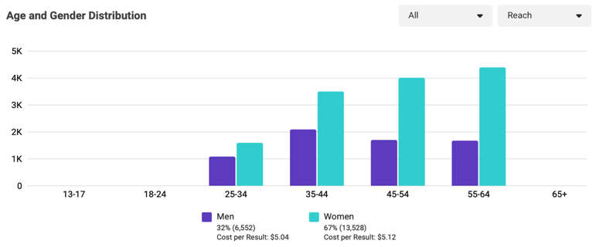
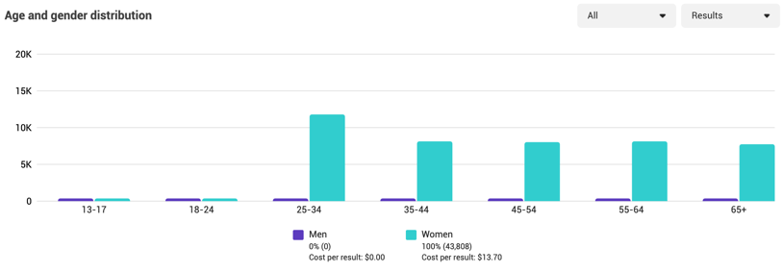
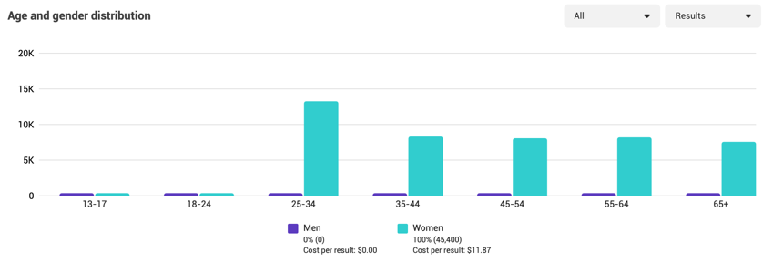
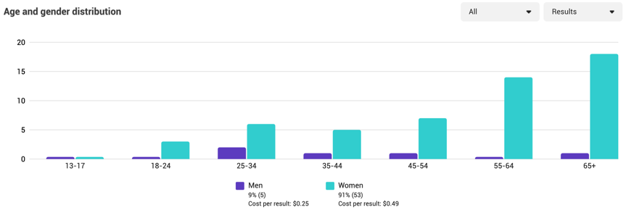

 |  |  |  |  |  |  |  |  |  | FB Desktop | 3%
 |  |  |  |  |  |  |  |  |  | FB Mobile | 89%
Now Open - rDVM |  | Newsletter - rDVM |  |  | rDVM Neurology 1 |  | rDVM Neurology 2 |  |  | IG | 8%
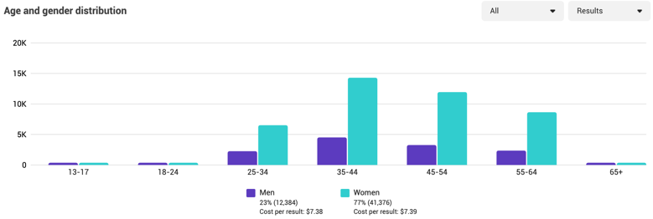
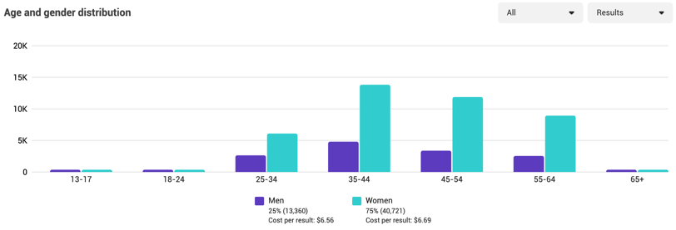
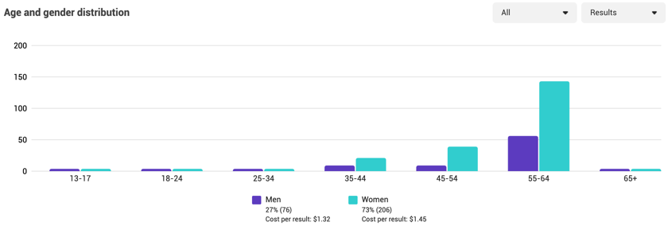
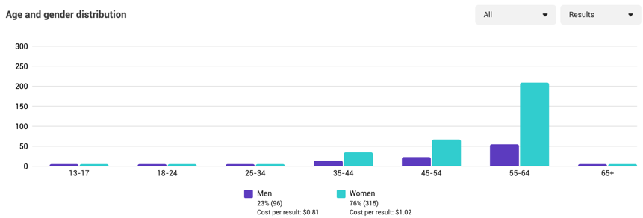
 |  |  |  |  |  |  |  |  |  | sum | 100%

Mobile vs Desktop (percentage of users)

Key Insights: Phase 1 The first rDVM ad performed as expected in both delivery and placement. Of the 67% of women who saw the ad, we had the most reach among women age 55-64 (22%), with 45-54 following close behind (20%). Of the 32% of men who saw the ad, we had the most reach among men age 35-44 (10%). These results lead us to believe that our targeting parameters are performing successfully, therefore there are no recommended changes at this time. It's also worth noting that the majority of users saw this ad on their mobile devices (89% of the total audience reach). This is something to keep in mind moving forward as we plan ad imagery and messaging for future ads. Phase 2 Ads were served up appropriately to our target audiences as expected. rDVM ads optimized toward Women 35-44 at first, then shifted to Women 55+ for Q4. Pet Owner ads were served primarily to Women 25-34.
Top Performing Posts (defined by engagement)

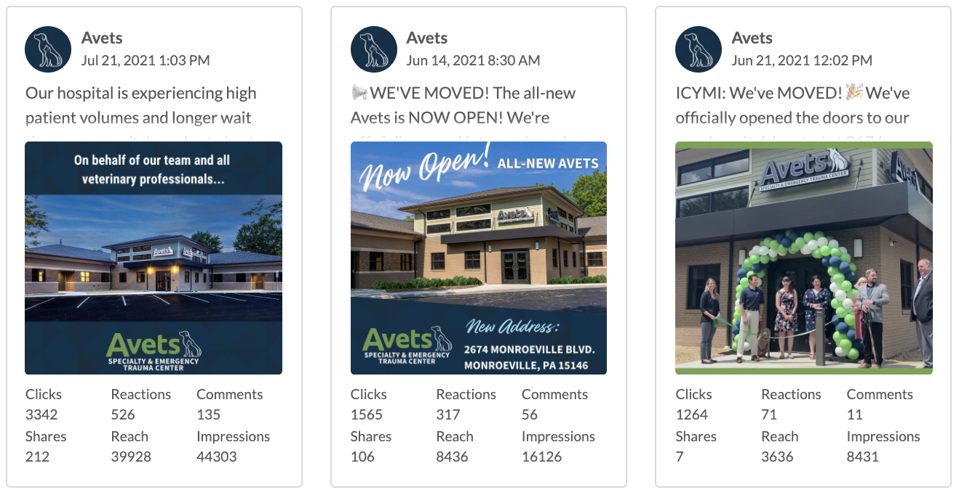
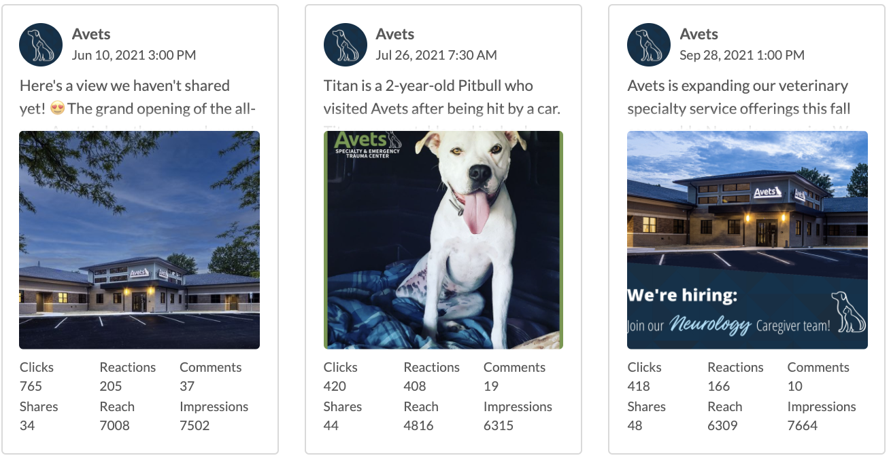

Engagement Insights: For engagement in Phase 1, we are encouraged by the number of shares and clicks received on our organic posts. It shows that the information being shared is relevant, interesting and resonating with the Avets audience. Phase 2 saw excellent engagement with high shares on new building content and patient stories.

Message/Creative Insights: We saw the most engagement with the real-life imagery, specifically with the image of the Avets building. The quality of the photo is excellent which does tend to garner more engagement from followers as it is vibrant, stands out and encourages people to stop the scroll (and even share!) We know that real-life imagery, patient stories, doctor/tech spotlights and nicely designed/captured imagery performs well in the algorithm and with the Avets audience. The Now Open message was well recieved and had little to no negative feedback.
LINK TO CAMPAIGN CONTENT PLAN SPREADSHEET

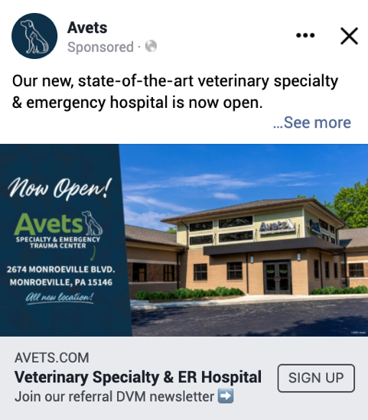
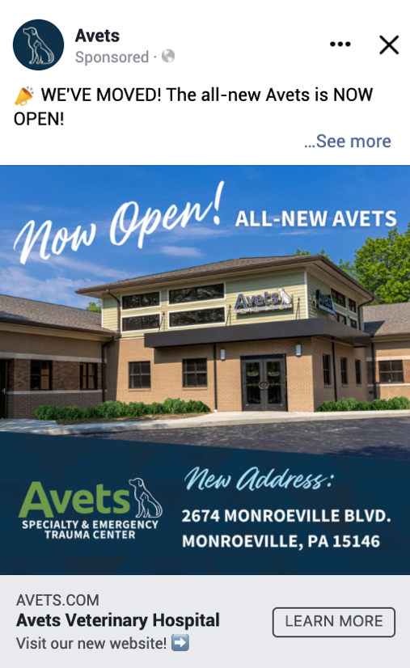
AD CREATIVE
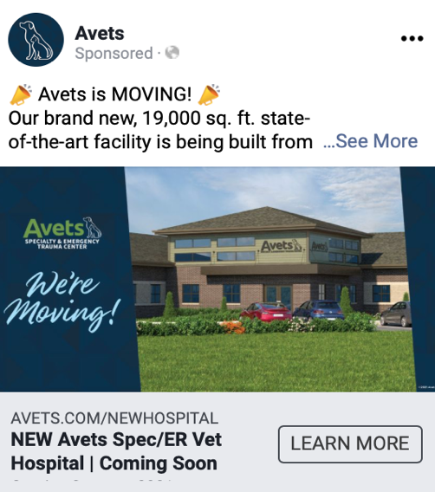
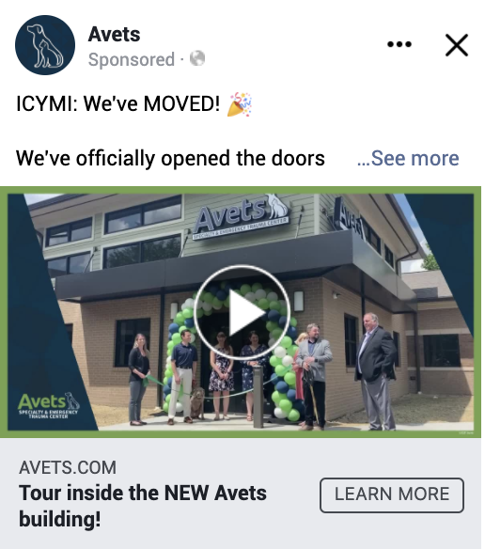

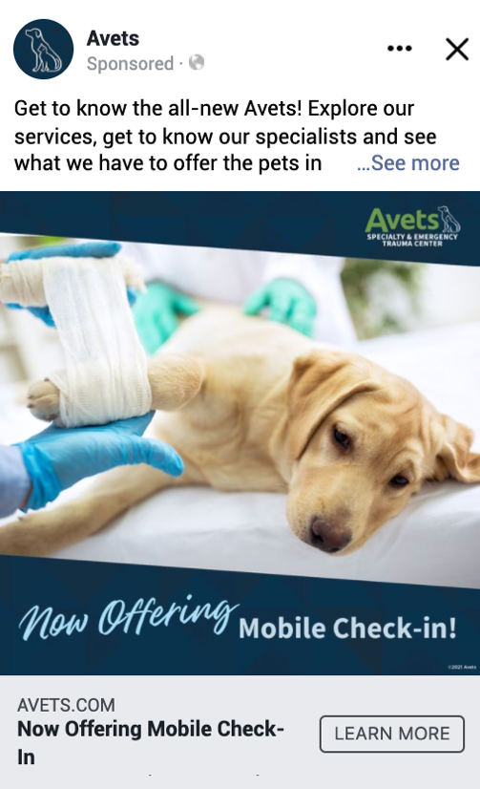
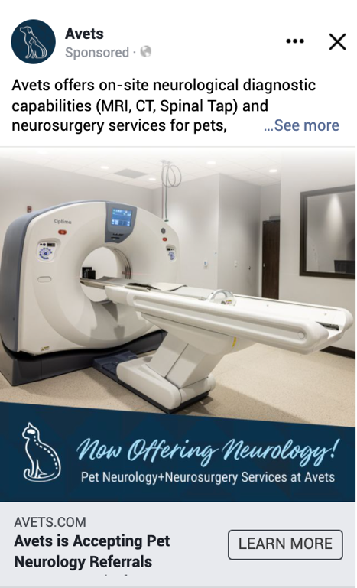

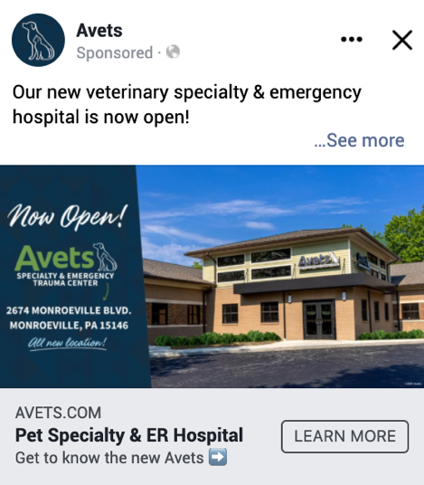

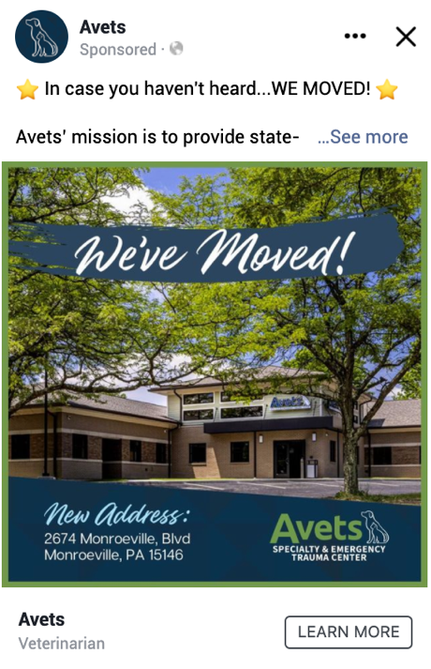
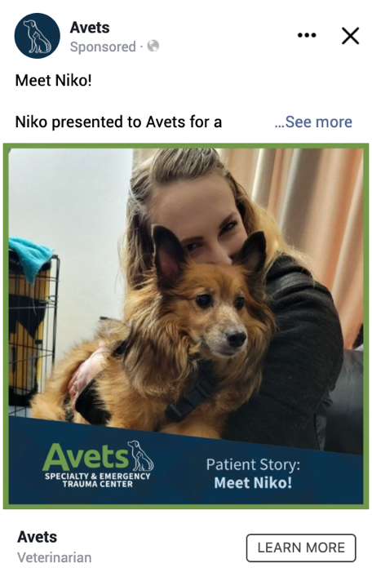
BOOST CREATIVE
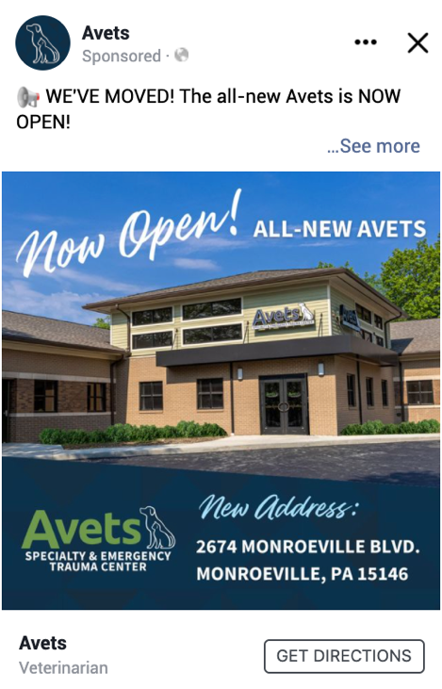
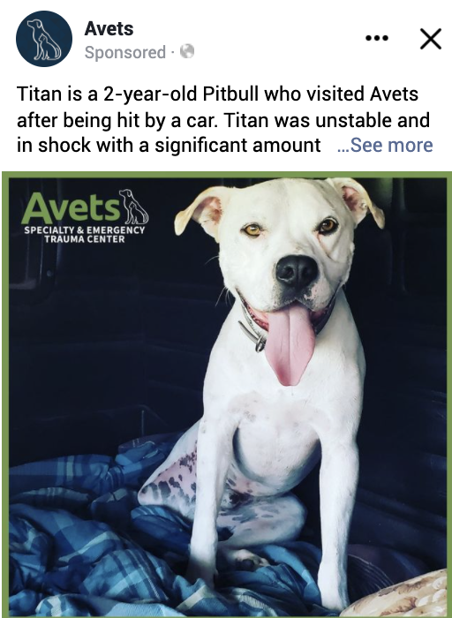

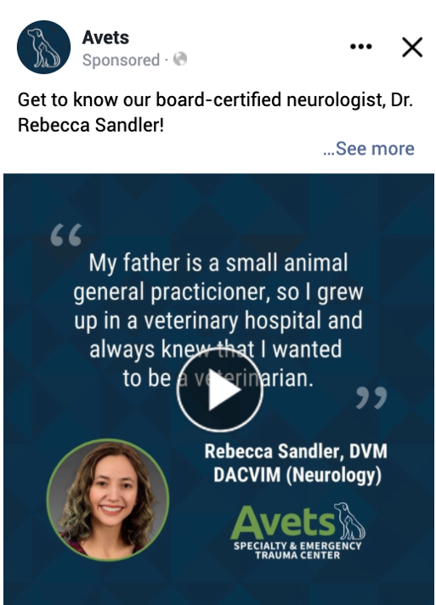
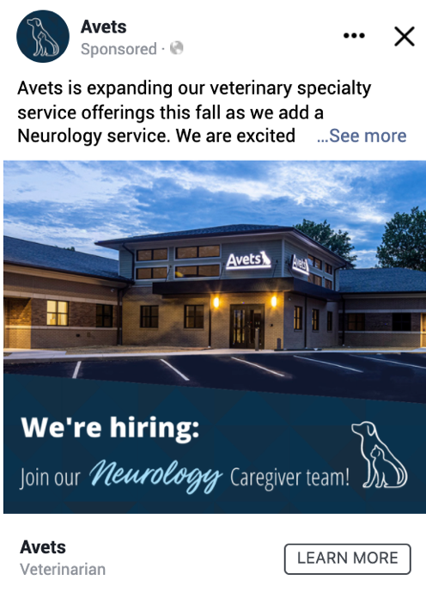
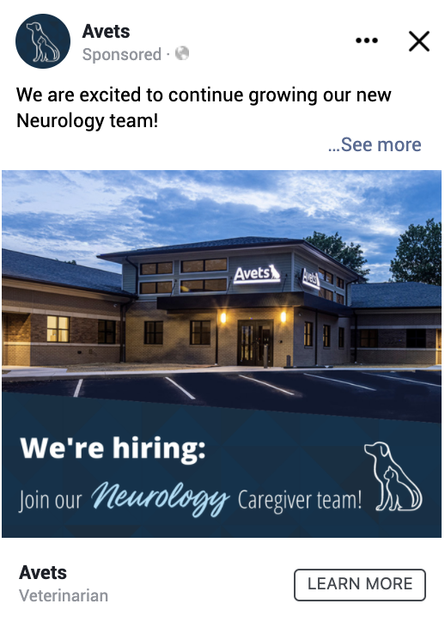
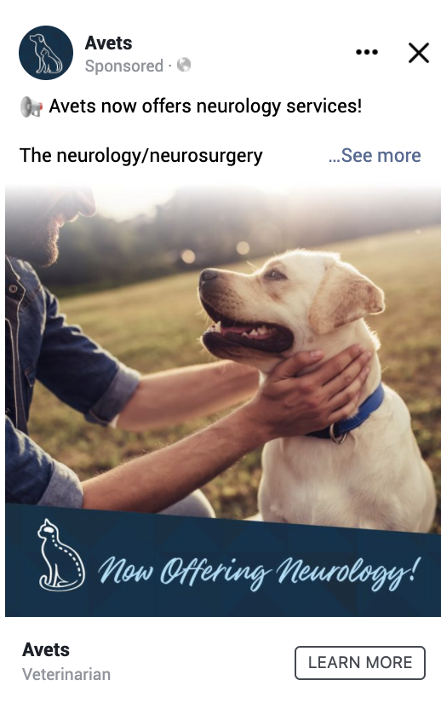

Landing Page - rDVM
rDVM Landing Page Performance (avets.com/newhospital)
 | Apr | May | Jun | Jul | Aug | Sept | Oct | Nov | Dec | Total /Average
Pageviews | 60 | 78 | 21 |  |  |  |  |  |  | 159
Unique Pageviews | 38 | 67 | 20 |  |  |  |  |  |  | 125
Bounce Rate | 55% | 78% | 70% |  |  |  |  |  |  | 68%
Time On Page | 2.33 | 2:42:00 | 1900-01-03 01:55:12 |  |  |  |  |  |  | 1.84
 | *page launch | rDVM Ad #1 | *through 6/13
Landing Page Performance
Key Insights: Pageviews and Unique Pageviews have naturally increased as communication/momentum around the new hospital built and marketing tactics drove rDVMs to this page to learn more about the new hospital. Pageviews and Unique Pageviews escalated in May with the help of the rDVM paid social ad on 5/17. While the rDVM Time on Page (1.84) came in slightly lower than the Pet Owner page (2.50), the rDVM Time on Page remains higher than the 2021 overall time on site which is 1.45.

Pageviews / Unique Pageviews
 | Pageviews | Unique Pageviews
Apr | 60 | 38
May | 78 | 67
Jun | 21 | 20
Jul
Aug
Sept
Oct
Nov
Dec

 | Bounce Rate
Apr | 55%
May | 78%
Jun | 70%
Jul
Aug
Sept
Oct
Nov
Dec

Time On Page
 | Time On Page
Apr | 1900-01-02 07:55:12
May | 2:42:00
Jun | 1900-01-03 01:55:12
Jul
Aug
Sept
Oct
Nov
Dec

Landing Page - Pet Owner
Pet Owner Landing Page Performance (avets.com/new)
 | Jan | Feb | Mar | Apr | May | Jun | Jul | Aug | Sept | Oct | Nov | Dec | Total /Average
Pageviews | 179 | 125 | 204 | 210 | 351 | 441 |  |  |  |  |  |  | 1,510
Unique Pageviews | 158 | 112 | 171 | 188 | 297 | 374 |  |  |  |  |  |  | 1,300
Bounce Rate | 65% | 83% | 76% | 84% | 77% | 76% |  |  |  |  |  |  | 77%
Time On Page | 3.00 | 1.55 | 3.03 | 2.48 | 2.53 | 2.42 |  |  |  |  |  |  | 2.50
 |  |  |  |  |  | *through 6/13
Landing Page Performance
Insights/Commentary: Pageviews and Unique Pageviews have naturally increased as communication/momentum around the new hospital built and marketing tactics drove pet owners to this page to learn more about the new hospital. Time on page has remained at a healthy 2 minutes and 50 seconds with a bounce rate of 77%. Users departed this page and went to Homepage (38%), Our Doctors (15%), Services (9%), About Us (8%), and Contact Us (7%).

Pageviews / Unique Pageviews
 | Pageviews | Unique Pageviews
Jan | 179 | 158
Feb | 125 | 112
Mar | 204 | 171
Apr | 210 | 188
May | 351 | 297
Jun | 441 | 374
Jul
Aug
Sept
Oct
Nov
Dec

 | Bounce Rate
Jan | 65%
Feb | 83%
Mar | 76%
Apr | 84%
May | 77%
Jun | 76%
Jul
Aug
Sept
Oct
Nov
Dec

 | Time On Page
Jan | 3
Feb | 1.55
Mar | 3.03
Apr | 2.48
May | 2.53
Jun | 2.42
Jul
Aug
Sept
Oct
Nov
Dec

Website Activity
Website Performance Summary (Organic Traffic)
Jan 1, 2021 - June 29, 2021
Key Insights: Avets new website launched on June 14th. Q2 website traffic steadily increased as the communication/promotion for the new hospital increased. While sessions, users and new users increased, the number of new sessions, bounce rate, average session duration and pages/session are all down from the previous year.
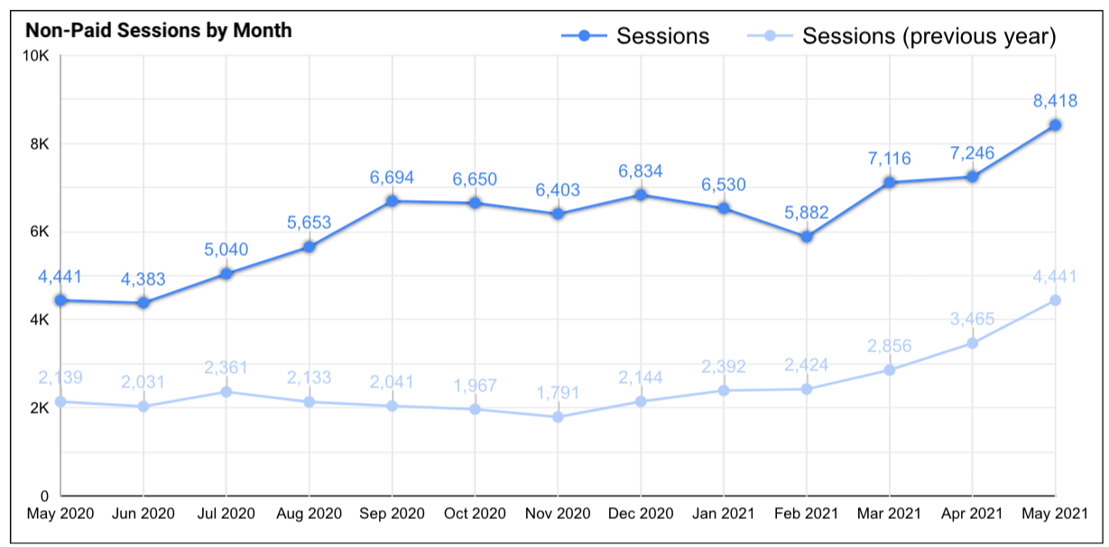
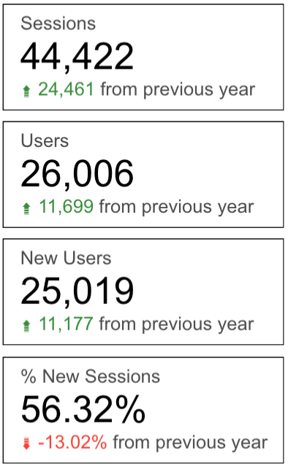

 | 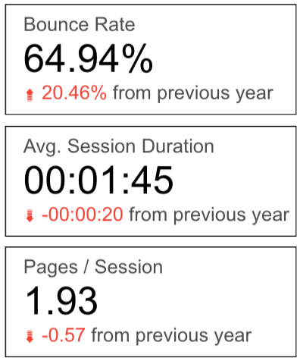

Creative
Campaign Creative
Facebook Page Header
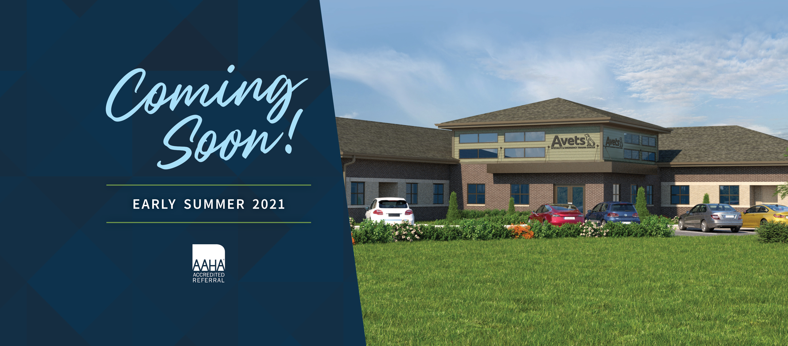
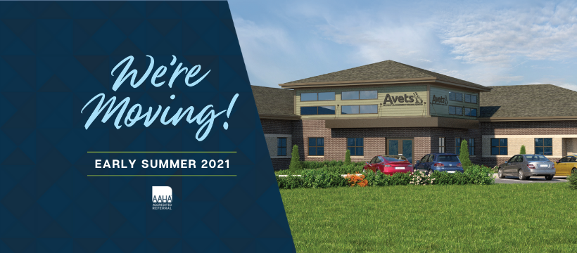
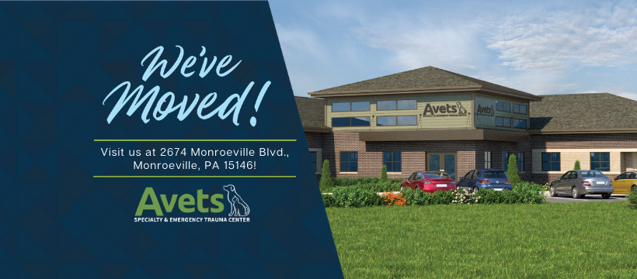

Facebook Profile Picture
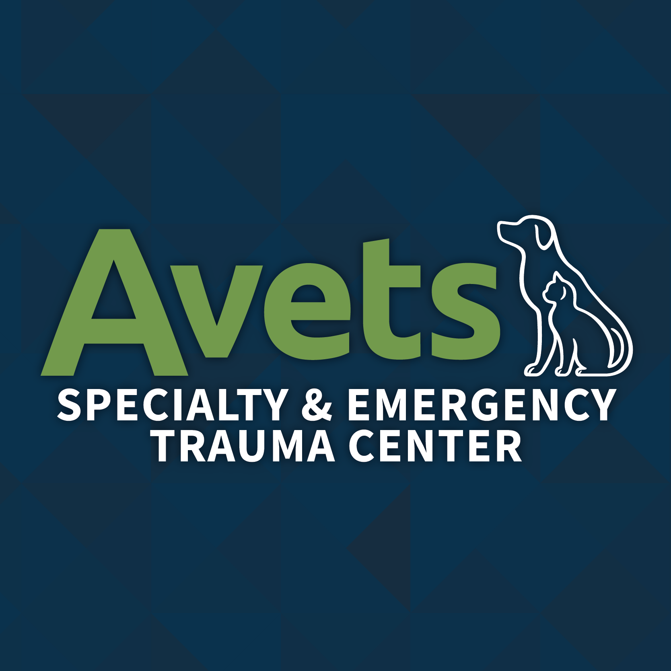

Paid Social Media Ad & Boost Templates

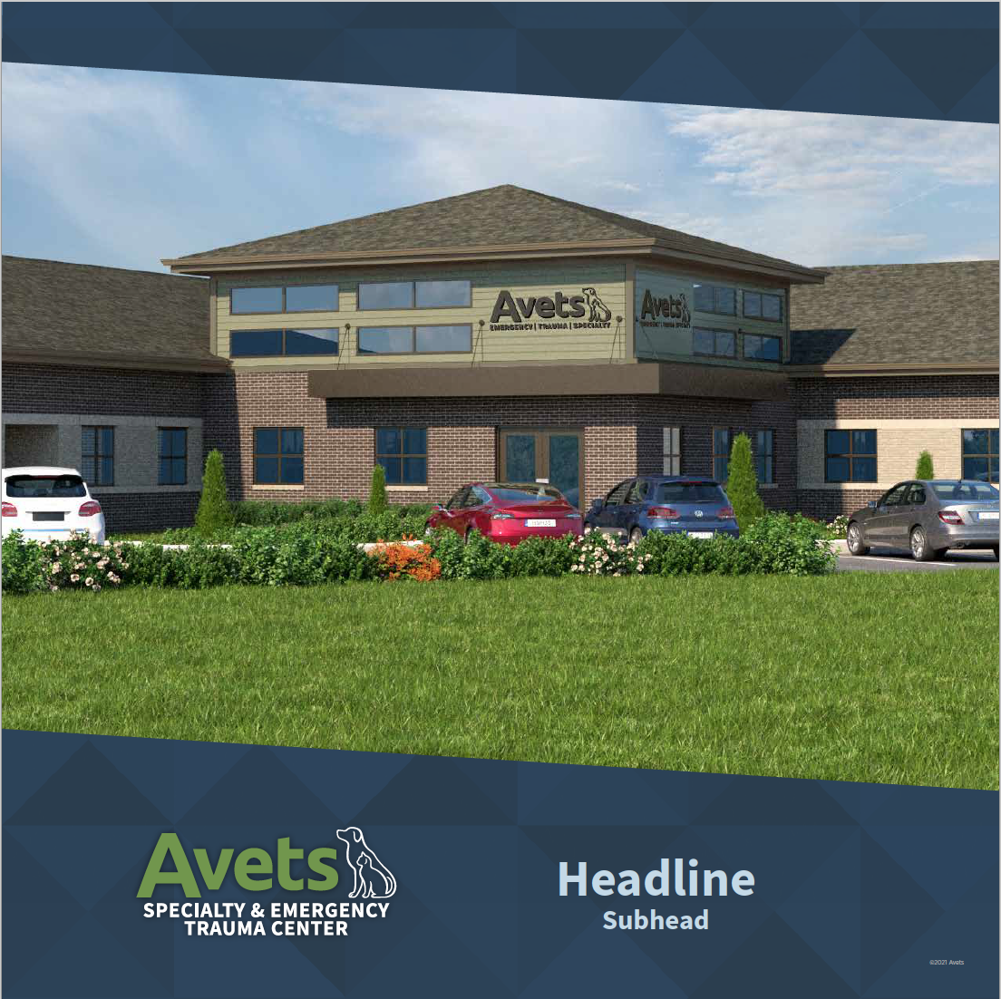
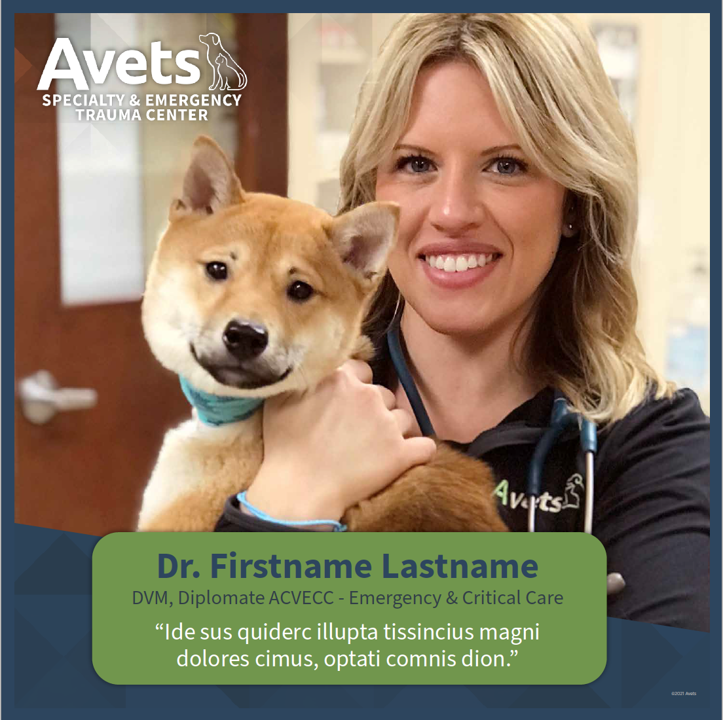
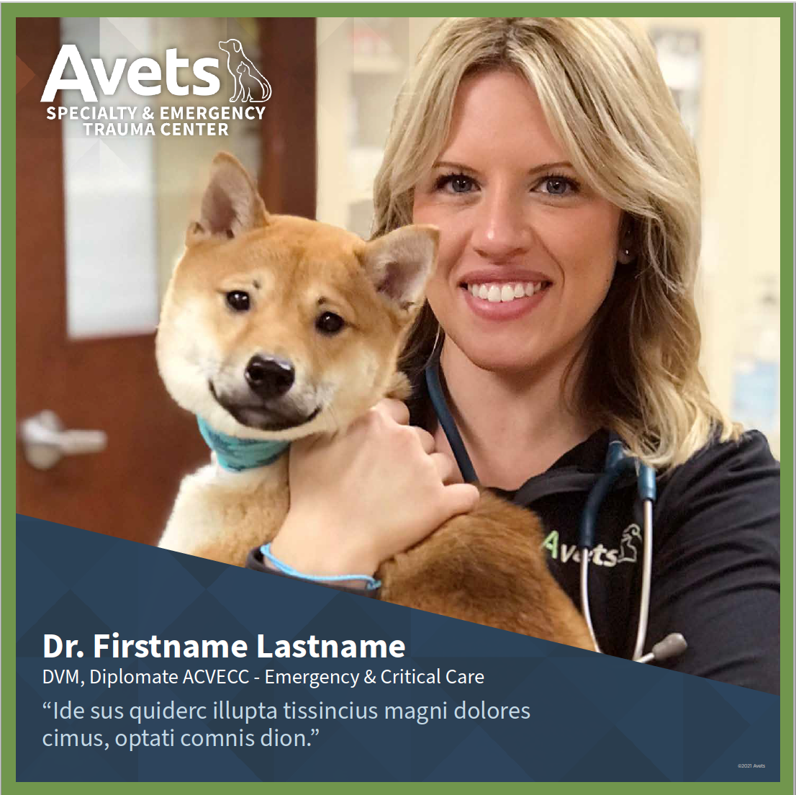

Canva Assets
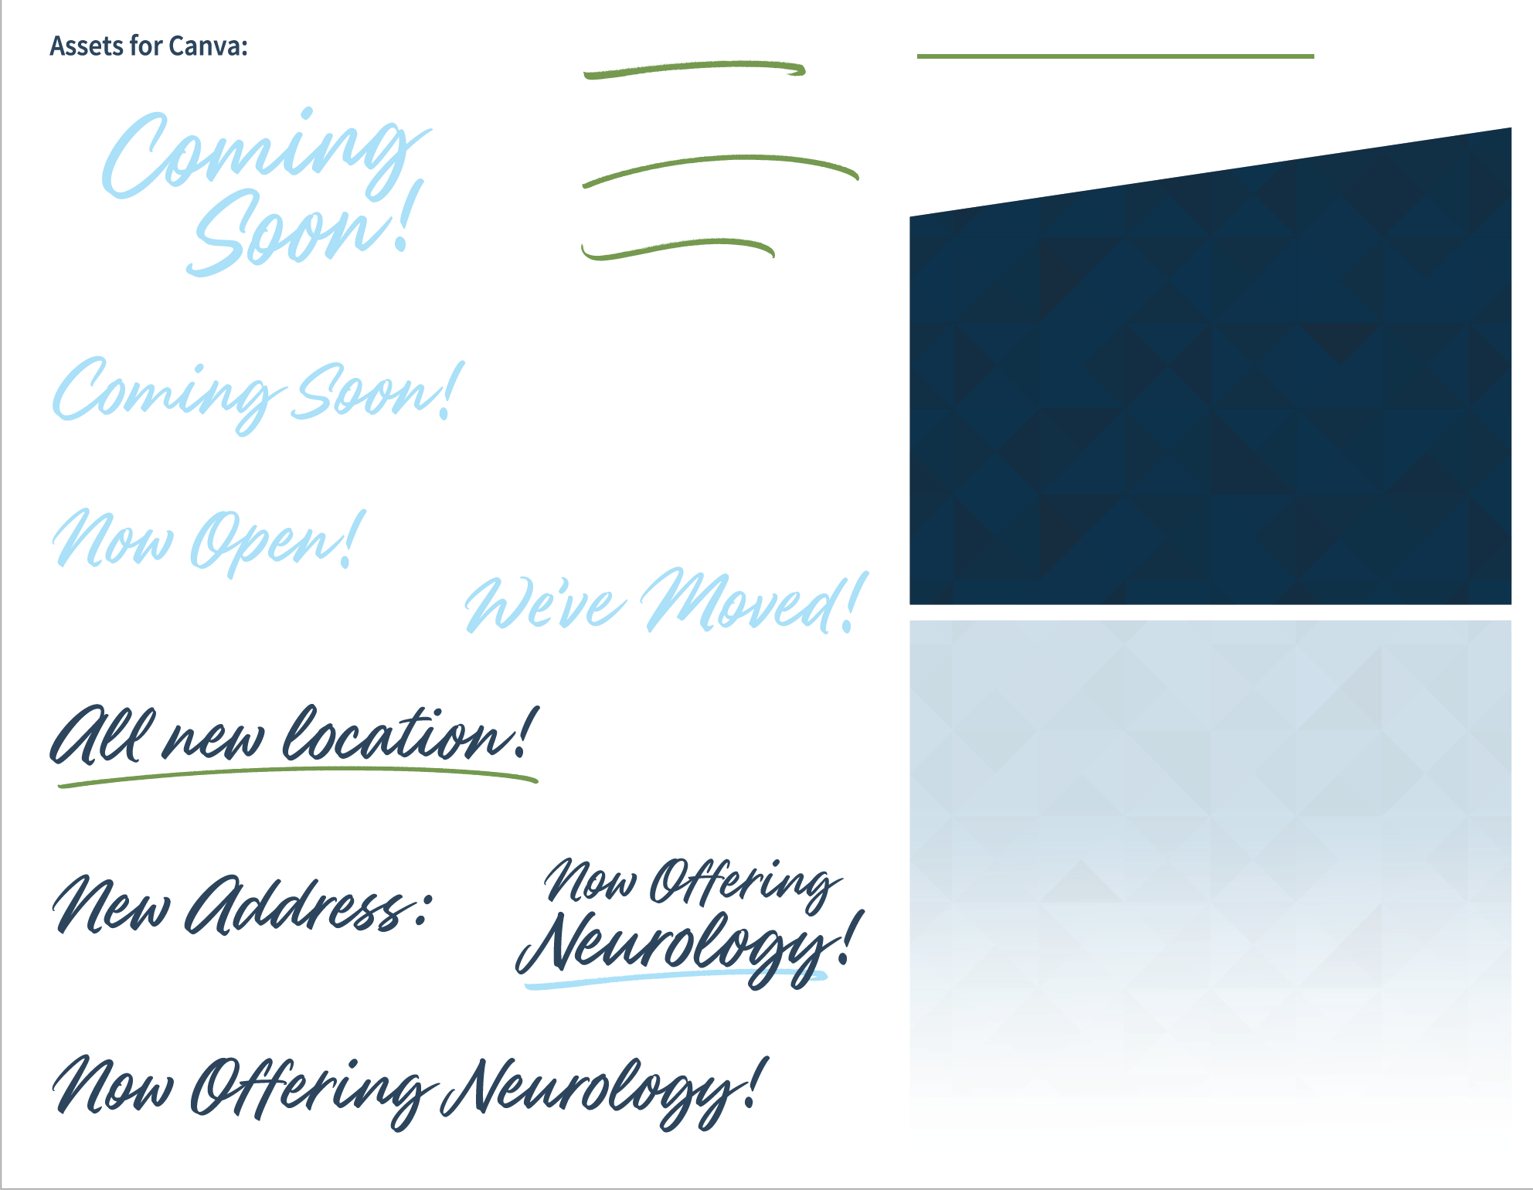
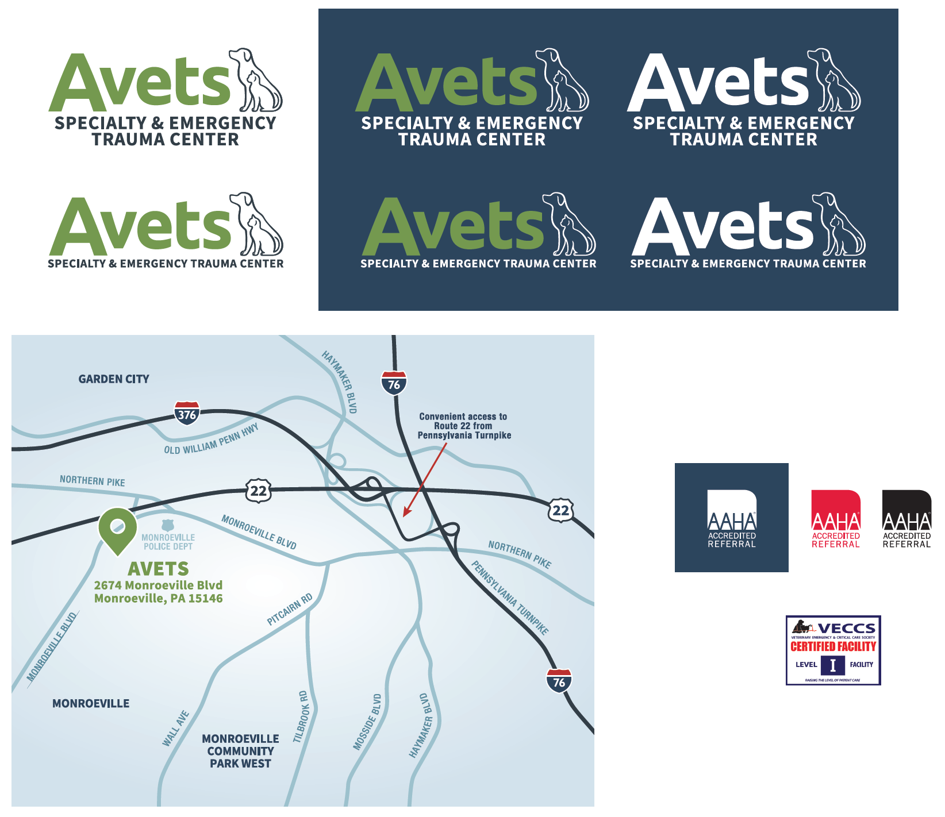

Digital Display Artwork
 |  |  |  |  | 160 x 600 | 120.x 600
 |  | 728 x 90
300 x 600
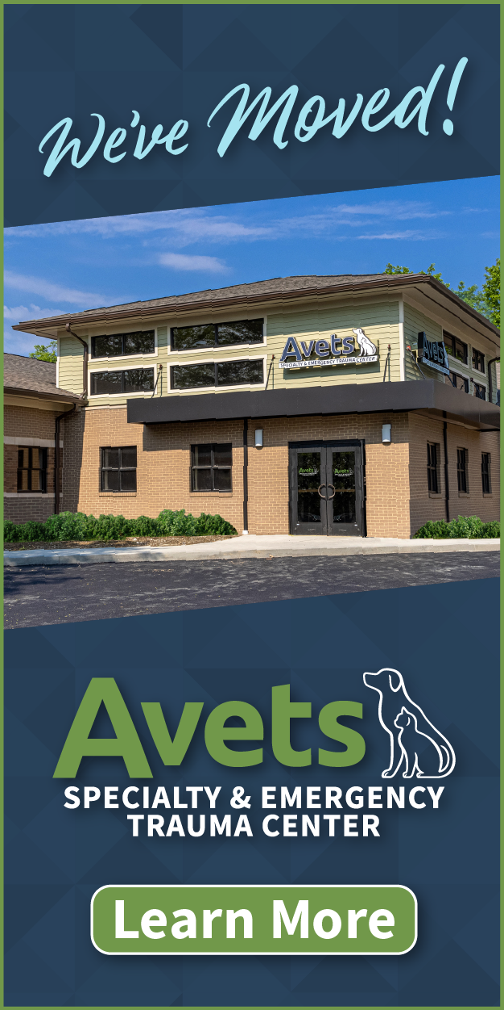

 | 300 x 250 |  | 336 x 280
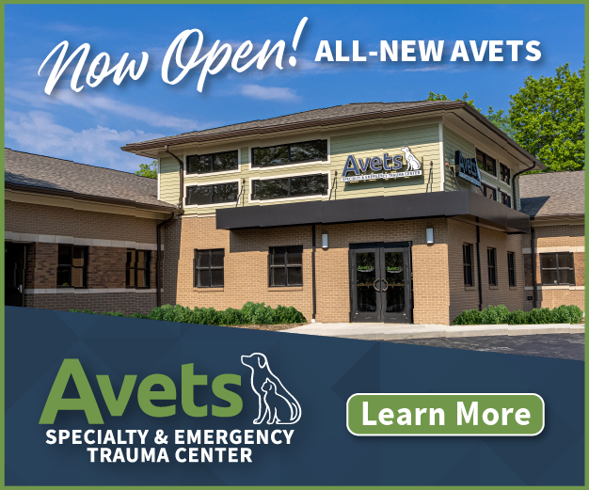
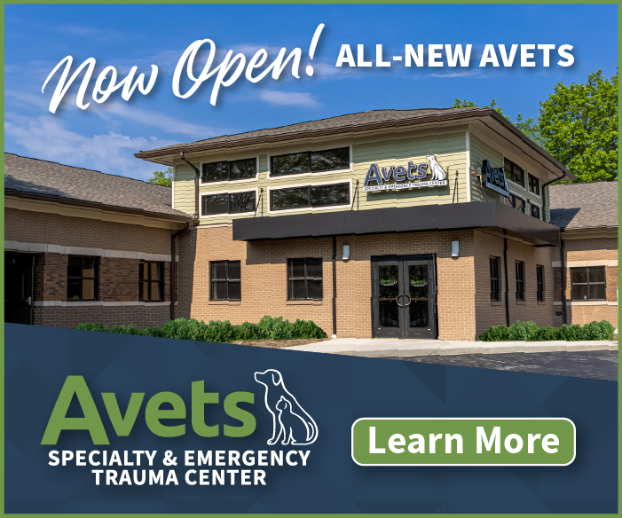

 |  |  |  | 320 x 50

Radio Ads (Client-Executed Tactic)
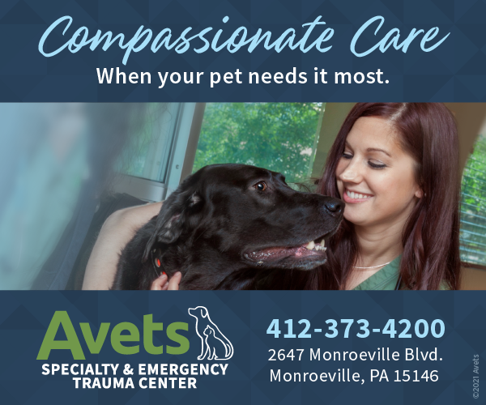

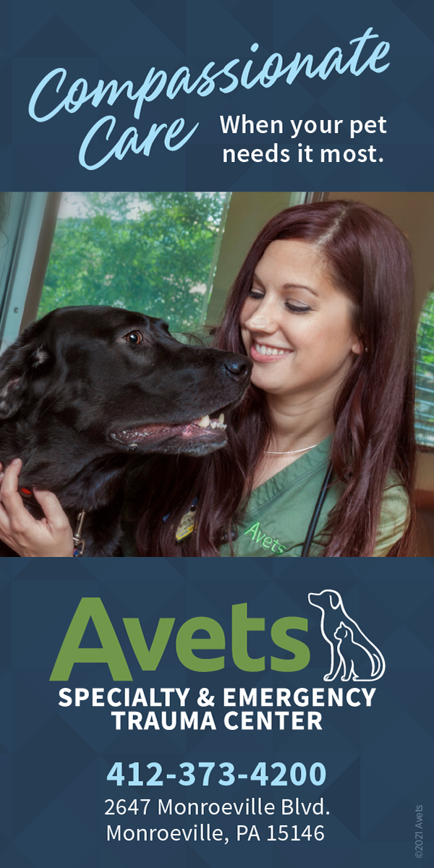

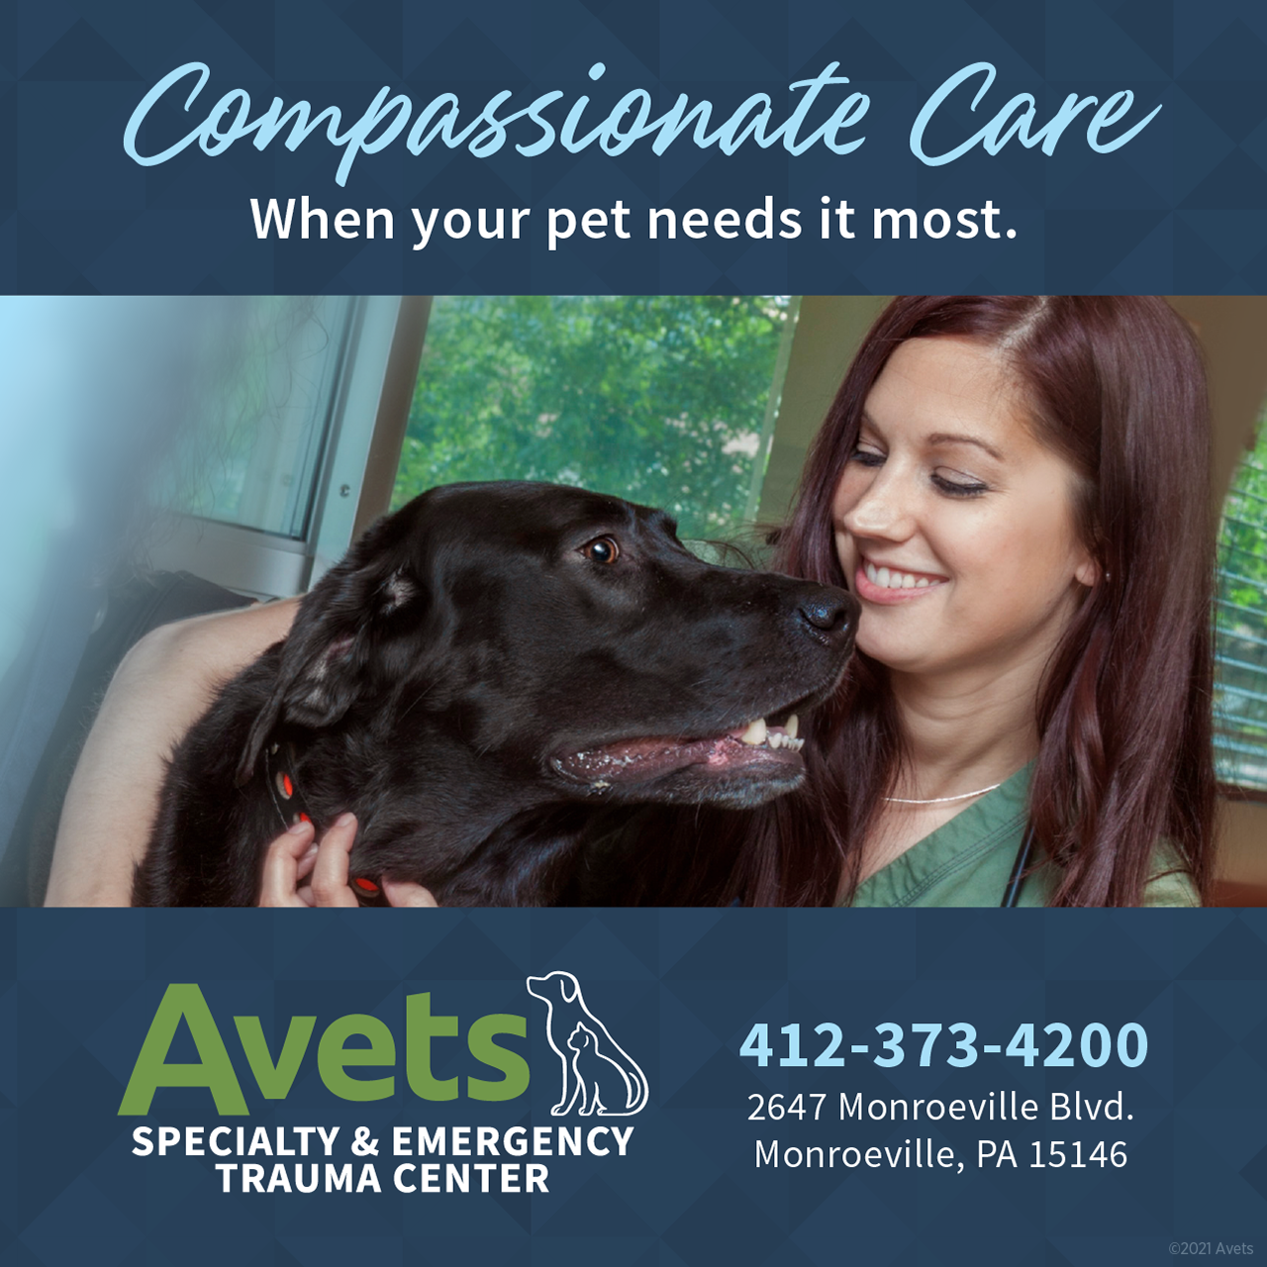

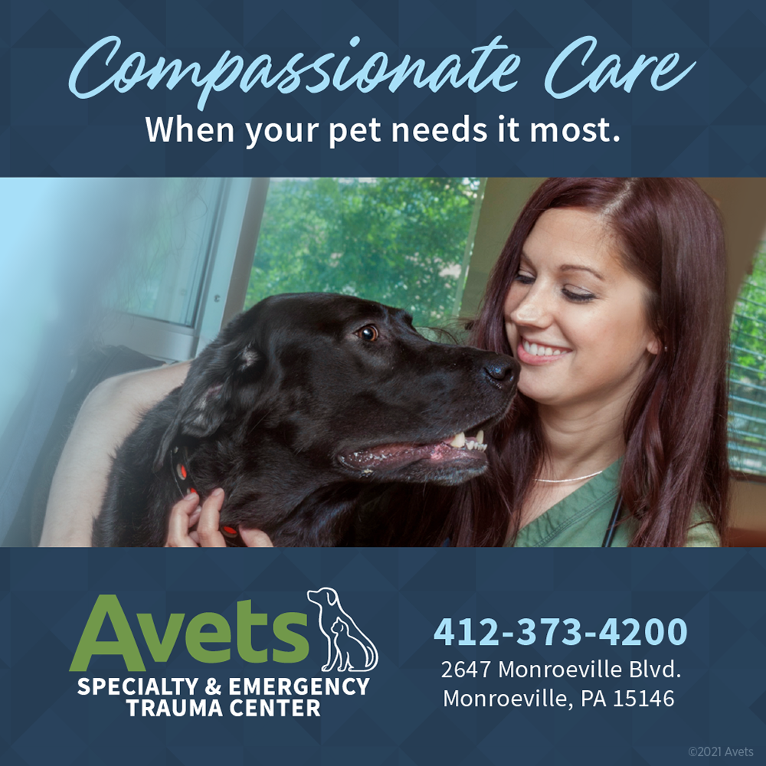

Service Icons (Provided in Blue, Green, White)
